NRP-2021_Calculation-Model
NRP - 2021 Calculation Model |  | NTC or | Value | Tyso |  | Warranty fund
 | Investment | Likes | Real Estate | Foundation | Coverage ratio | Tyso |  | Schematic Route & Process
 |  | to deliver | Portfolio |  |  | Foundation
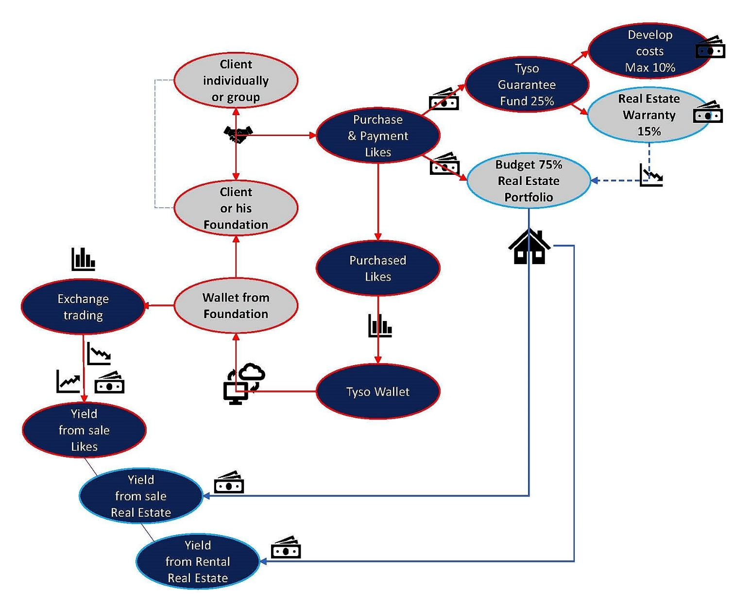
 |  | © | © |  | © |  | ©
Calculation Model based on price level 2021

Investment by Pension Fund or institution: ...... euro | € 1,000,000 | fill in, or correct
Price level 2021: 250 euro = 5,000 Likes + 25% bonus= 6,250 Likes or NTC
Wallet: ….…...x 6,250 = …............. Likes |  | 25,000,000 |  | € 250,000

Budget for direct purchase: 75% of investment= …....... euro |  |  | € 750,000 | € 750,000
Spending: 75% of investment amount + reserved budget |  |  | € 0 | fill in, or correct
• Ownership after purchase: Investor (Pension Fund, Institutional, Group, individual)
• Exploitation return on rental: 5% per year |  |  | € 37,500
• Reserved budget: ... euro |  |  | € 0

Warranty fund Tyso-Foundation: 25% of investment amount
• Spending 15% for real estate purchase in Tyso-Foundation |  |  |  | € 150,000
• Spending 10% for development costs |  |  |  | € 100,000

Coverage ratio:
• Value real estate: amount of direct purchase |  |  |  |  | € 750,000
• Exploitation return on rental: 5% per year |  |  |  |  | € 37,500
• Reserved budget: ... euro |  |  |  |  | € 0
• Wallet value Likes: introduction price on Exchange: Likes x0,10 euro |  | € 2,500,000
• Wallet value Likes minimal: Likes x0,02 euro |  |  |  |  | € 500,000
• Total coverage ratio: …......... euro |  |  |  |  | € 1,287,500

Bridging period purchase - sales:
• Exploitation return, based on 5% yearly profit on purchased real estate
• Value increasement Likes by value increase New Technology
• Potential value for increase real estate by market mechanism

Guarantee from Warranty fund Tyso-Foundation:
• Property value from purchased real estate: …...... euro |  |  |  |  |  | € 750,000
• Granted real estate from Warranty fund: 15% of investment amount |  |  |  |  |  | € 150,000
• Granted part minimal value Likes: 20% of Likes in wallet |  |  |  |  |  | € 100,000
• 1 year profit on rental exploitation: 5% on purchased investment= …........ euro |  |  |  |  |  | € 37,500
• Value increasement real estate, compared to type and location. |  |  |  |  |  | PM

• Total guaranteed balance after 1 year: …............. euro |  |  |  |  |  | € 1,037,500

